01_Mimaki Install report ma...
Column1 | Install Date | Serial Number | Product | End User | End User Contact Name | Address (End User) (Account) | Main Phone (End User) (Account) | Email (End User) (Account) | Ink Type | Ink Set | Color Set | Firmware Version (Before) | Firmware Version (Updated) | RIP | RIP Version | Was the machine installed successfully? | Detail of what the problem | A photo of the entire machine | Test draw pictuer | Machine parameter | Exsample pictuer
e.g. | 2025-08-31 | HC51B012 | JV100 | Mimaki | Abe | Unit 14, 38-46 South Street, Rydalmere NSW 2116 | 0280364502 | techservice@mimaki.com | AS5 | 4C | CMYK | 3.0 | 4.0 | RasterLink7 | 3.3.4 | No | K ink leak from head. Need to change damper | Yes | Yes | Yes
1
2
3
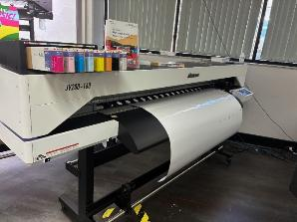
4
5
6
7
8
9
10
11
12
13
14
15
16
17
18
19
20

